Sheet1
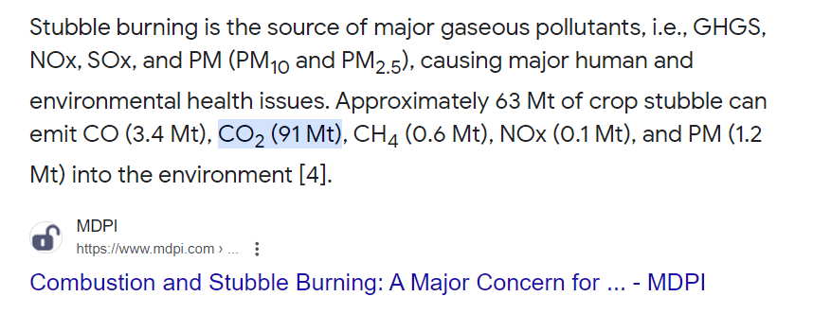
 | Burning | In-situ | Ex-situ
Stubble generation (tons/acre) | 3 | 3 | 3
Stuble left behind | 3 | 0 | 3

Fuel consumption (lit/acre) | 20 | 45 | 30
Fuel price (Rs/lit) | 95 | 95 | 95
Fuel cost (Rs/acre) | 1900 | 4275 | 2850
Labour costs (Rs/acre) | 100 | 500 | 1000

Fertilizer use costs (Rs/acre)
DAP (kg/acre) | 100 | 75 | 100
Urea (kg/acre) | 150 | 120 | 150
Yield (kg/acre) | 2000 | 2300 | 2000
Yield price (Rs/kg) | 22 | 22 | 22
DAP(Rs/kg) | 25 | 25 | 25
Urea (Rs/kg) | 6 | 6 | 6
Fertilizer costs (Rs/acre) | 3400 | 2595 | 3400
Yield benefits (Rs/acre) | 0 | -6600 | 0

Total costs (Rs/acre) | 5400 | 7370 | 7250
Net costs (Rs/acre) | 5400 | 770 | 7250

Burning (CO2 kg/kg) | 1.4 | 1.4 | 1.4
Emissions (kg) | 4,333 | - | 4,333

Fuel (CO2 kg/lit) | 2.68 | 2.68 | 2.68
Emissions (kg) | 53.6 | 120.6 | 80.4

Total CO2 (kg/acre) | 4,387 | 121 | 4,414

